Sheet2
Can we predict sales based on money spent for advertising?

Advertising | 2000 | 3000 | 4000 |  | 2500 | 5000
Sales | 5000 | 10000 | 15000 |  | 8000 | 25000

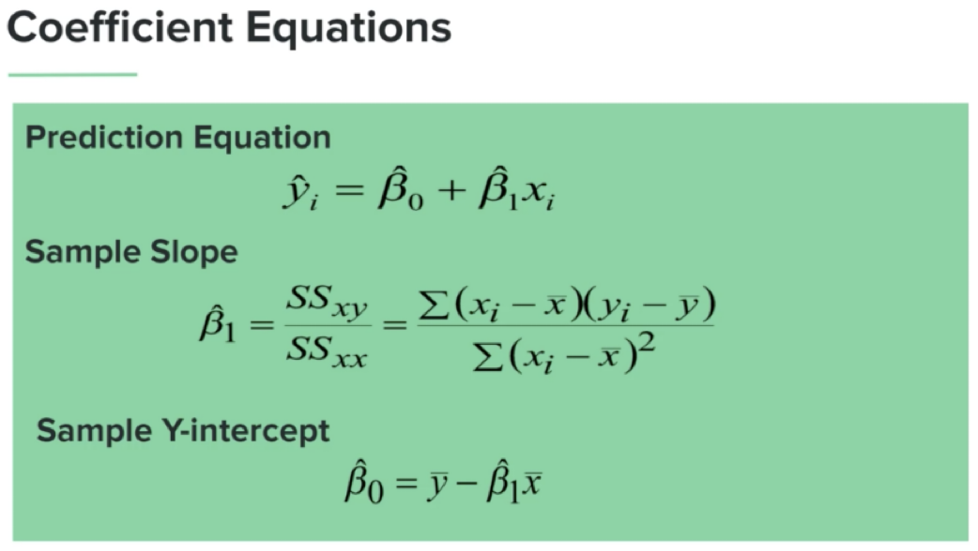

 | Money Spent (X) | Mean(X) - X | (Mean(X)-X)^2 | Sales(Y) | Mean(Y)-Y | (Mean(X)-X) * (Mean(Y)-Y)
 | 2000 | -1300 | 1690000 | 5000 | -7600 | 9880000
 | 3000 | -300 | 90000 | 10000 | -2600 | 780000
 | 4000 | 700 | 490000 | 15000 | 2400 | 1680000
 | 2500 | -800 | 640000 | 8000 | -4600 | 3680000
 | 5000 | 1700 | 2890000 | 25000 | 12400 | 21080000

SUM | 16500 | 0 | 5800000 | 63000 | 0 | 37100000

Regression Analysis: | Mean (X) | Mean (Y) | Slope (β1) | Slope (β0) | Predicted Sales (Advertising = 3,500)
 | 3,300 | 12,600 | 6.3965517241 | -8508.6206897 | 13879.310345

